Track Layout
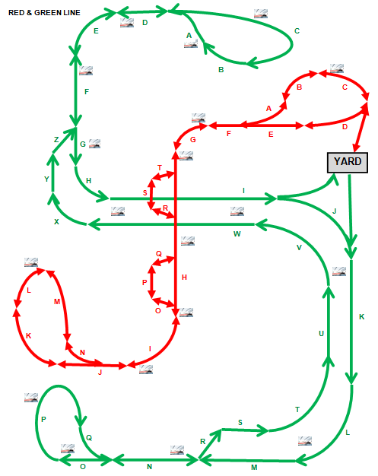
Sections consist of multiple blocks. | Sections are not drawn to scale
The lowest block number is closest to the letter in the alphabet preceding the block section letter.

Vehicle Data 1
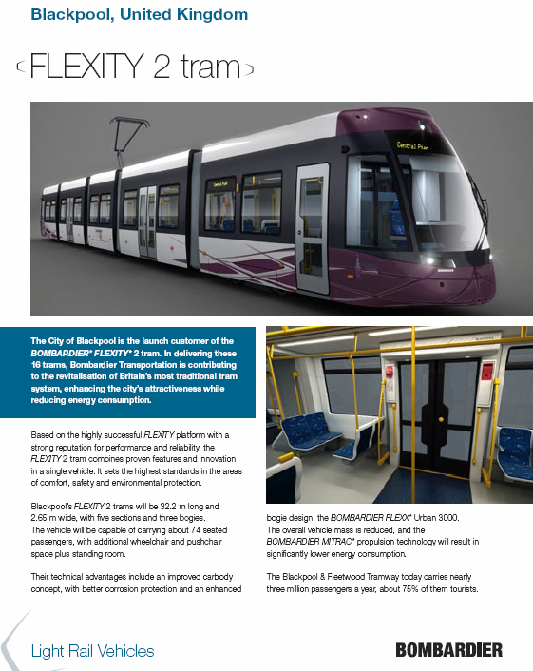

Vehicle Data 2
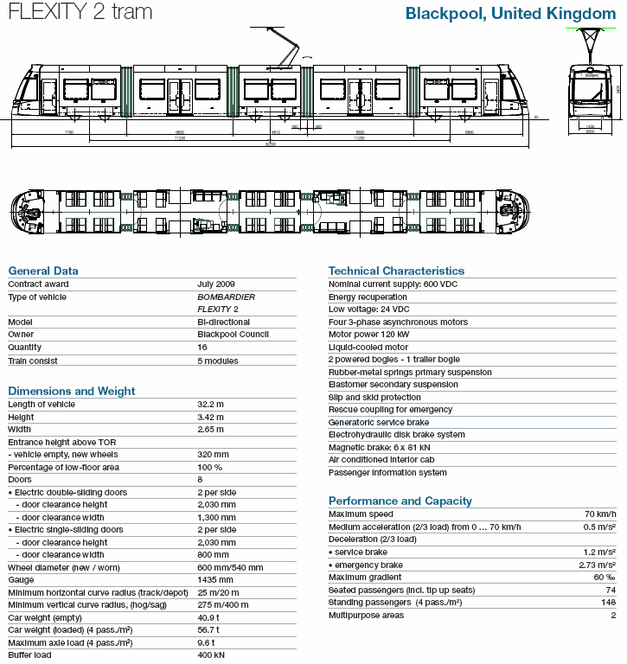

Schedules
